Conveyancing_tables
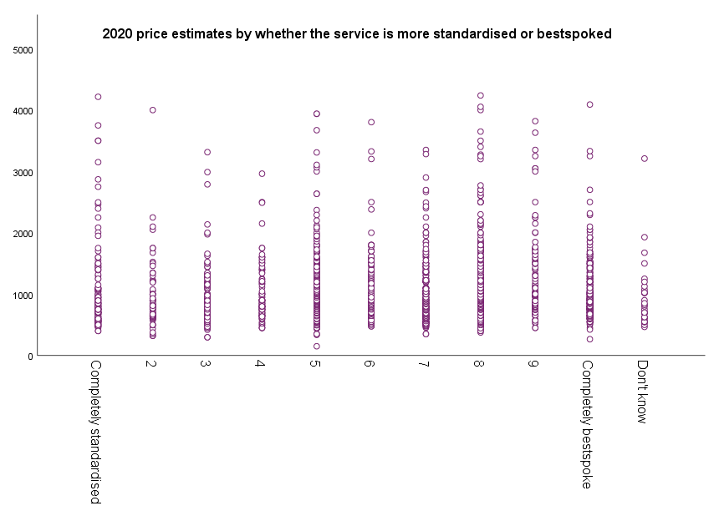
Table 1: Regional median prices

Region | A sale of a freehold property | A sale of a leasehold property | A purchase of a freehold property | A purchase of a leasehold property | A sale and purchase of freehold properties’
North | £600 n=116 | £650 n=116 | £683 n=115 | £750 n=115 | £1,250 n=115
Midlands | £650 n=93 | £775 n=92 | £725 n=93 | £850 n=92 | £1,350 n=93
South West | £775 n=66 | £900 n=66 | £875 n=66 | £1,000 n=66 | £1,600 n=65
South East | 750 n=123 | £895 n=123 | £831 n=119 | £965 n=119 | £1,540 n=119
London | £900 n=52 | £1,000 n=52 | £1,000 n=50 | £1,100 n=51 | £1,800 n=51
Wales | £595 n=50 | £700 n=50 | £725 n=49 | £851 n=50 | £1,373 n=50

Table 2: Regional spread of prices

Region | A sale of a freehold property | A sale of a leasehold property | A purchase of a freehold property | A purchase of a leasehold property | A sale and purchase of freehold properties’
North | £170 n=116 | £249 n=116 | £220 n=115 | £280 n=115 | £375 n=115
Midlands | £155 n=93 | £181 n=92 | £225 n=93 | £244 n=92 | £353 n=93
South West | £106 n=66 | £153 n=66 | £262 n=66 | £300 n=66 | £325 n=65
South East | £200 n=123 | £220 n=123 | £275 n=119 | £325 n=119 | £476 n=119
London | £295 n=52 | £400 n=52 | £400 n=51 | £600 n=51 | £740 n=51
Wales | £160 n=50 | £203 n=50 | £310 n=50 | £292 n=50 | £392 n=50

Table 3: Regional spread of prices by wave

Region | 2020 | 2017 | 2015
North | £236 n=116 | £233 n=127 | £234 n=124
Midlands | £211 n=93 | £217 n=83 | £219 n=115
South West | £180 n=66 | £182 n=45 | £190 n=68
South East | £256 n=123 | £313 n=215 | £348 n=169
London | £443 n=52
Wales | £260 n=50 | £240 n=28 | £207 n=31

Table 4: Spread of prices by charging approach estimate vs fixed fees

 | A sale of a freehold property | A sale of a leasehold property | A purchase of a freehold property | A purchase of a leasehold property | A sale and purchase of freehold properties’
Estimates | £235 n=65 | £246 n=66 | £361 n=70 | £405 n=75 | £800 n=79
Fixed fees | £205 n=415 | £275 n=415 | £250 n=406 | £300 n=403 | £470 n=399
+ = statistically significant compared to other groups

Table 5: Spread of prices by whether firm display prices on webiste

 | A sale of a freehold property | A sale of a leasehold property | A purchase of a freehold property | A purchase of a leasehold property | A sale and purchase of freehold properties’
Display prices on website | £205 n=364 | £254 n=363 | £300 n=359 | £277 n=359 | £490 n=359
Do not display prices | £254 n=136 | £300 n=136 | £350 n=134 | £450 n=134 | £600 n=134
+ = statistically significant compared to other groups

Table 6: Reasons for decreasing prices during the last 12 months

Reduced | Competitors decreased their prices | Not enough work to keep everyone busy | Wanted to grow your business | Other | Don't know
All (n=21) ∆ | 33% | 19% | 10% | 33% | 5%
n | 7 | 4 | 2 | 7 | 1

Table 7: Mean price by whether services are provided remotely

 | A sale of a freehold property | A sale of a leasehold property | A purchase of a freehold property | A purchase of a leasehold property | A sale and purchase of freehold properties’
Offer the service remotely | £702+ n=259 | £820 n=259 | £867 n=259 | 1,009 n=259 | £1,523 n=258
Offer the service face to face only | £737 n=240 | £861 n=239 | £920 n=233 | 1,041 n=233 | £1,611 n=234
+ = statistically significant compared to other groups

Table 8: Mean price by whether the firm is located in a city or rural area

 | A sale of a freehold property | A sale of a leasehold property | A purchase of a freehold property | A purchase of a leasehold property | A sale and purchase of freehold properties’
Town | £709 n=327 | £831 n=327 | £880 n=326 | £1,018 n=325 | £1,540 n=325
City | £751 n=114 | £881 n=114 | £894 n=112 | £1,021 n=112 | £1,611 n=112
Rural area | £702 n=57 | £804 n=57 | £945 n=53 | £1,062 n=54 | £1,600 n=54
+ = statistically significant compared to other groups

Quality marks

Table 9: Whether firms are members of the Law Society's conveyancing quality accreditation scheme

 | 2020
 | %
Yes | 84%
No | 14%
(Don't know) | 2%
n | 445

Table 10: Mean price by whether firms are members of the Law Society's conveyancing quality accreditation scheme

 | A sale of a freehold property | A sale of a leasehold property | A purchase of a freehold property | A purchase of a leasehold property | A sale and purchase of freehold properties’
Member of the Law Society’s Conveyancing Quality Accreditation Scheme | £718 n=375 | £833 n=62 | £937 n=58 | £996 n=58 | £1,609 n=58
Not a member of the Law Society’s Conveyancing Quality Accreditation Scheme | £739 n=62 | £844 n=374 | £844 n=374 | £1,000 n=372 | £1,541 n=372
+ = statistically significant compared to other groups

Table 11: Whether firms have the Law Society’s Lexcel legal practice quality mark for practice management and client care

 | 2020
 | %
Yes | 44%
No | 56%
n | 420

Table 12: Mean price by whether firms have the Law Society’s Lexcel legal practice quality mark for practice management and client care

 | A sale of a freehold property | A sale of a leasehold property | A purchase of a freehold property | A purchase of a leasehold property | A sale and purchase of freehold properties’
The firm have the Law Society’s Lexcel legal practice quality mark for practice management and client care | £699+ n=185 | £834 n=185 | £908 n=185 | £1,044 n=185 | £1,555 n=185
The firm do not have the Law Society’s Lexcel legal practice quality mark for practice management and client care | £746 n=235 | £856 n=234 | £868 n=228 | £976 n=228 | £1,565 n=228
+ = statistically significant compared to other groups

Conveyancing_plots
Plot 1: Box and whisker plot scenario 1 - A sale of a freehold property

 | Box 1 - hidden | Box 2 - lower | Box 3 - upper
2020 | 595 | 103 | 102
2017 | 536 | 150 | 112
2015 | 546 | 112 | 106

Base size: 2020 n=500, 2017 n=498, 2015 n=504.

Plot 2: Box and whisker plot scenario 2 - A sale of a leasehold property

 | Box 1 - hidden | Box 2 - lower | Box 3 - upper
2020 | 675 | 150 | 125
2017 | 639 | 111 | 155
2015 | 650 | 114 | 120

Base size: 2020 n=499, 2017 n=495, 2015 n=505.

Plot 3: Box and whisker plot scenario 3 - A purchase of a freehold property

 | Box 1 - hidden | Box 2 - lower | Box 3 - upper
2020 | 650 | 140 | 160
2017 | 585 | 128 | 138
2015 | 600 | 110 | 163

Base size: 2020 n=493, 2017 n=484, 2015 n=501.

Plot 4: Box and whisker plot scenario 4 - A purchase of a leasehold property

 | Box 1 - hidden | Box 2 - lower | Box 3 - upper
2020 | 775 | 125 | 200
2017 | 685 | 113 | 160
2015 | 682 | 137 | 164

Base size: 2020 n=493, 2017 n=482, 2015 n=500.

Plot 5: Box and whisker plot scenario 5 - Sale and purchase of freehold properties leasehold property

 | Box 1 - hidden | Box 2 - lower | Box 3 - upper
2020 | 1200 | 260 | 240
2017 | 1064 | 264 | 268
2015 | 1069 | 295 | 274

Base size: 2020 n=493, 2017 n=484, 2015 n=502.

Divorce_plots
Plot 6: Box and whisker plot scenario 1 - An uncontested divorce requiring a full legal service

 | Box 1 - hidden | Box 2 - lower | Box 3 - upper
2020 | 500 | 150 | 188
2017 | 532 | 122 | 197
2015 | 540 | 115 | 218

Base size: 2020 n=500, 2017 n=493, 2015 n=499.

Plot 7: Box and whisker plot scenario 2 - An uncontested divorce responding to a petition for divorce

 | Box 1 - hidden | Box 2 - lower | Box 3 - upper
2020 | 299 | 101 | 100
2017 | 266 | 117 | 149
2015 | 273 | 109 | 164

Base size: 2020 n=499, 2017 n=493, 2015 n=495.

Plot 8: Box and whisker plot scenario 3 - An uncontested divorce requiring arrangements for dependent children

 | Box 1 - hidden | Box 2 - lower | Box 3 - upper
2020 | 710 | 290 | 500
2017 | 639 | 212 | 426
2015 | 566 | 253 | 273

Base size: 2020 n=499, 2017 n=493, 2015 n=495.

Plot 9: Box and whisker plot scenario 5 - A more complex divorce involving disagreement over assets

 | Box 1 - hidden | Box 2 - lower | Box 3 - upper
2020 | 1351 | 649 | 1210
2017 | 1485 | 643 | 1384
2015 | 1092 | 818 | 1365

Base size: 2020 n=480, 2017 n=462, 2015 n=481.

Wills_trusts_plots
Plot 10: Box and whisker plot scenario 1 - An individual standard will

 | Box 1 - hidden | Box 2 - lower | Box 3 - upper
2020 | 136 | 39 | 75
2017 | 128 | 32 | 53
2015 | 120 | 44 | 54

Base size: 2020 n=445, 2017 n=486, 2015 n=485.

Plot 11: Box and whisker plot scenario 2 - A complex will

 | Box 1 - hidden | Box 2 - lower | Box 3 - upper
2020 | 150 | 45 | 75
2017 | 133 | 37 | 96
2015 | 131 | 46 | 96

Base size: 2020 n=439, 2017 n=483, 2015 n=482.

Plot 12: Box and whisker plot scenario 3 - A lasting power of attorney

 | Box 1 - hidden | Box 2 - lower | Box 3 - upper
2020 | 287 | 63 | 100
2017 | 266 | 106 | 92
2015 | 328 | 87 | 125

Base size: 2020 n=430, 2017 n=456, 2015 n=459.

Plot 13: Box and whisker plot scenario 4 - . Assistance for obtaining Grant of Probate

 | Box 1 - hidden | Box 2 - lower | Box 3 - upper
2020 | 540 | 210 | 450
2017 | 527 | 165 | 370
2015 | 491 | 219 | 273

Base size: 2020 n=434, 2017 n=376, 2015 n=423.

